BLU_50_SerialCommands
BSS Audio BLU-50 Commands
While the BLU-50 baud rate is user adjustable, the default settings are as follows:
· 115,200 Baud
· 8 Data Bits
· 1 Stop Bit
· No Parity

Refer to the diagram at the bottom of this page for details on wiring and setting the baud rate.

In order to receive fully formatted responses from the BLU-50, a subscribe command must be sent to each parameter you would like to receive responses from anytime a parameter is changed.

 |  | The below image shows what the Router looks like inside the BLU-50

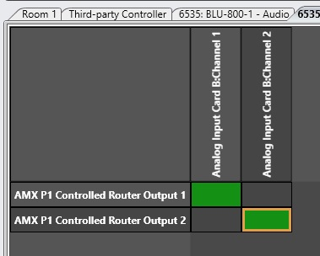
 | COMMANDS TO BLU-50
Route Commands
$02,$88,$19,$87,$1B,$83,$00,$01,$1B,$82,$00,$00,$00,$00,$00,$01,$17,$03
$02,$88,$19,$87,$1B,$83,$00,$01,$1B,$82,$00,$01,$00,$00,$00,$01,$16,$03
$02,$88,$19,$87,$1B,$83,$00,$01,$1B,$82,$00,$80,$00,$00,$00,$01,$97,$03
$02,$88,$19,$87,$1B,$83,$00,$01,$1B,$82,$00,$81,$00,$00,$00,$01,$96,$03

Un-Route Commands
$02,$88,$19,$87,$1B,$83,$00,$01,$1B,$82,$00,$00,$00,$00,$00,$00,$16,$03
$02,$88,$19,$87,$1B,$83,$00,$01,$1B,$82,$00,$01,$00,$00,$00,$00,$17,$03
$02,$88,$19,$87,$1B,$83,$00,$01,$1B,$82,$00,$80,$00,$00,$00,$00,$96,$03
$02,$88,$19,$87,$1B,$83,$00,$01,$1B,$82,$00,$81,$00,$00,$00,$00,$97,$03

Subscribe Commands
$02,$89,$19,$87,$1B,$83,$00,$01,$1B,$82,$00,$00,$00,$00,$00,$00,$17,$03
$02,$89,$19,$87,$1B,$83,$00,$01,$1B,$82,$00,$01,$00,$00,$00,$00,$16,$03
$02,$89,$19,$87,$1B,$83,$00,$01,$1B,$82,$00,$80,$00,$00,$00,$00,$97,$03
$02,$89,$19,$87,$1B,$83,$00,$01,$1B,$82,$00,$81,$00,$00,$00,$00,$96,$03

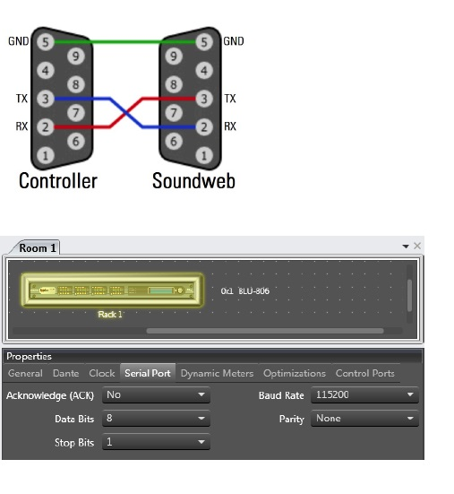
 | COMMANDS FROM BLU-50
BLU-50 Routing Responses
$02,$88,$19,$87,$1B,$83,$00,$01,$1B,$82,$00,$00,$00,$00,$00,$01,$17,$03
$02,$88,$19,$87,$1B,$83,$00,$01,$1B,$82,$00,$01,$00,$00,$00,$01,$16,$03
$02,$88,$19,$87,$1B,$83,$00,$01,$1B,$82,$00,$80,$00,$00,$00,$01,$97,$03
$02,$88,$19,$87,$1B,$83,$00,$01,$1B,$82,$00,$81,$00,$00,$00,$01,$96,$03
BLU-50 Un- Routing Responses
$02,$88,$19,$87,$1B,$83,$00,$01,$1B,$82,$00,$00,$00,$00,$00,$00,$16,$03
$02,$88,$19,$87,$1B,$83,$00,$01,$1B,$82,$00,$01,$00,$00,$00,$00,$17,$03
$02,$88,$19,$87,$1B,$83,$00,$01,$1B,$82,$00,$80,$00,$00,$00,$00,$96,$03
$02,$88,$19,$87,$1B,$83,$00,$01,$1B,$82,$00,$81,$00,$00,$00,$00,$97,$03

